Sensitivity Analysis - WACC
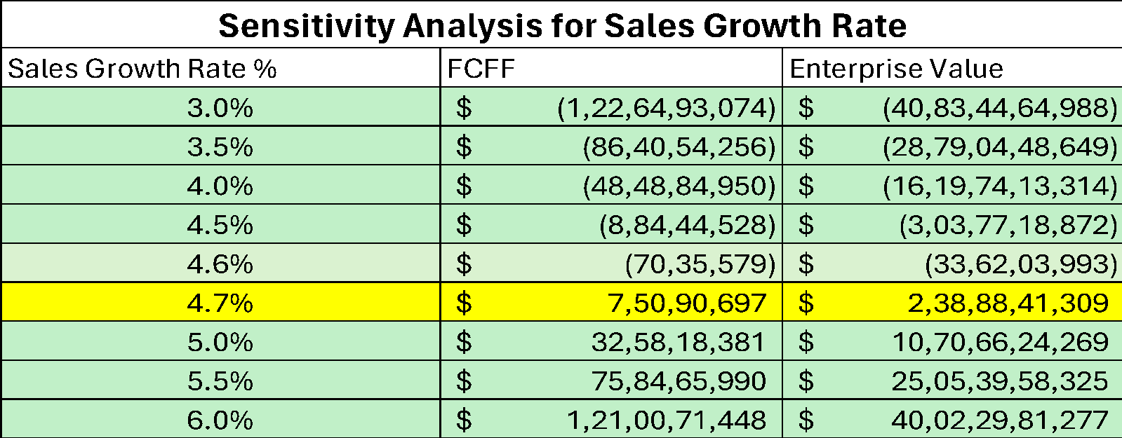
 |  | Bega Cheese's Financial Summary and Projections, 2019-2028
 | 2018 | 2019 | 2020 | 2021 | 2022 | 2023 | 2024E | 2025E | 2026E | 2027E | 2028E
Operating Revenue | 1,445,018,000.00 | $1,427,167,000.0 | $1,501,079,000.0 | $2,081,600,000.0 | $3,018,300,000.0 | $3,387,200,000.0 | $3,960,385,770.00 | $4,816,704,809.0 | $6,084,563,233.0 | $7,972,123,241.0 | $10,819,934,016.0
Operating income | $76,552,000.0 | $82,964,000.0 | $43,068,000.0 | $73,000,000.0 | $75,100,000.0 | $50,800,000.0 | $59,396,432.8 | $72,239,195.9 | $91,254,077.8 | $119,563,019.8 | $162,273,455.4
Operating Expense |  | $1,308,638,000.00 | $1,419,032,000.00 | $1,966,300,000.00 | $2,848,800,000.00 | $3,258,300,000.00 | $3,852,108,019.00 | $4,702,440,581.00 | $5,921,523,542.00 | $7,684,625,997.00 | $10,268,541,026.00
Operating expense yoy % |  |  | 8.44% | 38.57% | 44.88% | 14.37% | 18.22% | 22.07% | 25.92% | 29.77% | 33.62%
Sales Growth |  | -1.24% | 5.18% | 38.67% | 45.00% | 12.22% | 16.92% | 21.62% | 26.32% | 31.02% | 35.72%
Operating Margin | 5.3% | 5.8% | 2.9% | 3.5% | 2.5% | 1.5% | 1.5% | 1.5% | 1.5% | 1.5% | 1.5%

Assumed Sales growth % each year | 4.70% | link in gdoc
Assumed Operating expenses % each year | 3.85% | ame proportion op & sales |  | Been assumed that op expenses follows a similar proportion of the yoy inc in the op revenue

Bega Cheese Limited : Standalone Valuation

 | Base year | Forecast years
Years | 2023 | 2024E | 2025E | 2026E | 2027E | 2028E | Assumed % |  | Inputs
Operating Revenue | $3,387,200,000.00 | $3,960,385,770.00 | $4,816,704,809.00 | $6,084,563,233.00 | $7,972,123,241.00 | $10,819,934,016.00 | growth by 4.7% |  | Tax rate | 30%
Other Revenue | $23,800,000.00 | $27,682,794.73 | $32,199,038.83 | $37,452,074.89 | $43,562,105.10 | $50,668,941.74 | 16% |  | NWC% | 4.33%
Operating Expense | $3,258,300,000.00 | $3,852,108,019.00 | $4,702,440,581.00 | $5,921,523,542.00 | $7,684,625,997.00 | $10,268,541,026.00 | shown above |  | WACC | 6.00%
Depreciation | $101,900,000.00 | $67,750,389.99 | $62,069,287.86 | $56,864,565.60 | $52,096,277.11 | $47,727,825.94 | Check Balance Sheet |  | CAPEX % | 2.19%
Operating income | $50,800,000.00 | $68,210,156.29 | $84,393,978.52 | $143,627,200.40 | $278,963,071.30 | $554,334,105.60 |  |  | Terminal Growth Rate | 2.5%
Less taxes |  | $20,463,046.89 | $25,318,193.56 | $43,088,160.12 | $83,688,921.39 | $166,300,231.70
NOPAT |  | $47,747,109.40 | $59,075,784.97 | $100,539,040.30 | $195,274,149.90 | $388,033,873.90
Add:
Depreciation | $101,900,000.00 | $67,750,389.99 | $62,069,287.86 | $56,864,565.60 | $52,096,277.11 | $47,727,825.94
Less:
Change in NWC |  | $24,798,685.12 | $37,048,348.54 | $54,853,458.45 | $81,664,634.23 | $123,209,553.30 | WN1
Increase in CAPEX | $71,800,000.00 | $86,917,253.28 | $105,710,598.90 | $133,535,861.00 | $174,961,505.00 | $237,461,449.40
Free Cash Flow (FCFF) |  | $3,781,560.99 | $(21,613,874.65) | $(30,985,713.54) | $(9,255,712.24) | $75,090,697.13
Number of Years | 0 | 1 | 2 | 3 | 4 | 5
PV of FCF |  | $3,567,510.37 | $(19,236,271.49) | $(26,016,202.59) | $(7,331,391.01) | $56,112,137.14 | FCF/(1+WACC)^t
Terminal Value |  |  |  |  |  | $2,199,084,702.00 | TV = FCFn*(1+g)/(WACC -g)
Enterprise Value | $2,206,180,484.00
Shares Outstanding | 304,250,000.00 |  |  |  | Value of debt | $467,100,000.00
Old Price Per Share | $2.85 | Control Premium % |  |  | Value of Equity | $1,739,080,484.00
New Price per share | $7.25 | 39.30%
Acquisition Premium price per share | $4.40
Acquisition Premium | $1,339,067,984.00

WN1
Net Working Capital | 2023 | 2024E | 2025E | 2026E | 2027E | 2028E
Working Capital | $146,546,042.50 | $171,344,727.60 | $208,393,076.10 | $263,246,534.60 | $344,911,168.80 | $468,120,722.10
Changes in Working Capital |  | $24,798,685.12 | $37,048,348.54 | $54,853,458.45 | $81,664,634.23 | $123,209,553.30

Sensitivity Analysis for WACC
WACC | Value of Equity | Enterprise Value
4.0% | $4,674,011,582 | $5,141,111,582
4.5% | $3,390,466,924 | $3,857,566,924
5.0% | $2,620,069,851 | $3,087,169,851
5.5% | $2,106,259,447 | $2,573,359,447
5.73% | $1,921,741,309 | $2,388,841,309
6.0% | $1,739,080,484 | $2,206,180,484
6.5% | $1,463,554,889 | $1,930,654,889
7.0% | $1,249,138,904 | $1,716,238,904

